Sheet1
Max current | 4.5 | V | 8 | mA |  |  |  |  | Max current | 4.5 | V | 6 | mA
Target offset | 0.23 | V | 0 | mA |  |  |  |  | Target offset | 0.23 | V | 0 | mA

Offset P2 | 0.16 | mA | 0.3154 | V |  |  |  |  | Gain P2 | 1.2 | V | 1.8173 | mA
Offset P1 | 0.08 | mA | 0.2727 | V |  |  |  |  | Gain P1 | 0.45 | V | 0.4122 | mA

Gain P2 | 1.2 | V | 1.8173 | mA |  |  |  |  | Gain Target | P2 - P1 | V | 1.405152 | mA
Gain P1 | 0.45 | V | 0.4122 | mA |  |  |  |  | Offset Target | 0.12 | mA | 0.294050 | V

Gain Target | P2 - P1 | V | 1.4052 | mA
Offset Target | 0.12 | mA

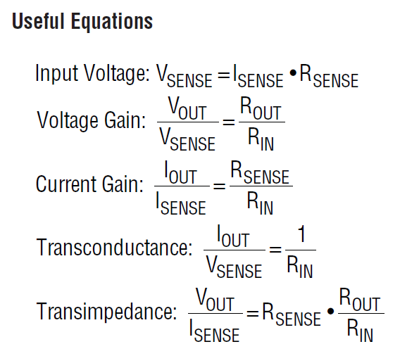
LTC6102 Parameter
 |  |  | GAIN_HIGH |  | ictl
Isense_max | 50.00mA |  | I_target | 1.41mA
Rsense | 39.00Ω |  | Vs | 0.0548V
Rin | 2000.00Ω |  | Vo | 0.13700234192 |  |  | 30000 | 46.95155304
Rout | 5000 |  | dev | 1.00% | - | +
Gain | 2.5 |  | adc | 898 | 889 | 907

 |  |  | GAIN_MID
Isense_max | 5.00mA |  | I_target | 1.41mA
Rsense | 39.00Ω |  | Vs | 0.0548V
Rin | 2000.00Ω |  | Vo | 1.3700234192 |  |  | 6740 | 1.0548448916
Rout | 50000 |  | dev | 1.00% | - | +
Gain | 25 |  | adc | 8978 | 8888 | 9068

 |  |  | GAIN_LOW |  | offset
Isense_max | 1.00mA |  | I_target | 0.12mA
Rsense | 39.00Ω |  | Vs | 0.0047V
Rin | 2000.00Ω |  | Vo | 0.585 |  |  |  | 0
Rout | 250000 |  | dev | 0.30% | - | +
Gain | 125 |  | adc | 3834 | 3822 | 3846

 | 0.030517578125

 |  |  |  |  |  |  |  |  |  |  |  |  |  |  | ADC Param
 |  |  |  |  |  |  |  |  |  |  |  |  | I_target | 1.95mA |  |  | Note
 |  |  |  |  |  |  |  |  |  |  |  |  | Vout | 0.49V | Sample Rate | 0.50ms | Vsense | ≤ | 2.00V
 |  |  |  |  |  |  |  |  |  |  |  |  | dev | 2% | bit | 15 | Vout | ≤ | 5.00V
 |  |  |  |  |  |  |  |  |  |  |  |  | adc | 604 | vref | 5 | Iout | ≤ | 1.00mA
 |  |  |  |  |  |  |  |  |  |  |  |  | adc_- | 591
 |  |  |  |  |  |  |  |  |  |  |  |  | adc_+ | 617

